Ip
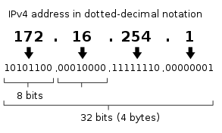

 | 8 bits . 8 bits . 8 bits . 8 bits

 | Binaries | Decimal
1 bit | 0 | 0 | 2
1 bit | 1 | 1
2 bits | 00 | 0
2 bits | 01 | 1
2 bits | 10 | 2
2 bits | 11 | 3

3 bits | 000 | 0
3 bits | 001 | 1
3 bits | 010 | 2
3 bits | 100 | 4
3 bits | 011 | 3
3 bits | 101 | 5
3 bits | 110 | 6
3 bits | 111 | 7
 |  |  |  | Bits | Combination of binaries
 | 00000000 | 0 |  | 1 |  | 2
 | 00000001 | 1 |  | 2 |  | 4
 | 00000010 | 2 |  | 3 |  | 8
 | 00000100 | 4 |  | .
 | . |  |  | .
 | . |  |  | .
 | . |  |  | 8 |  | 256
 | 11111111 | 255

Classful
Classful addressing
 |  | part 1 | part 2 | part 3 | part 4
 | 0 | 00000000 | 00000000 | 00000000 | 00000000
 | . | 00000001
 | . | 00000010
 | . | 00000100
 |  | .
 | . | .
 | . | .
 | 256 | 11111111

 |  | 1st- 8 bits | 2nd- 8 bits | 3rd -8 bits | 4th -8 bits
 |  | 0 | 0 | 0 | 0
 |  | 0 | 0 | 0 | 1
 |  | 0 | 0 | 0 | 2
 |  | 0 | 0 | 0 | 3
 |  | 0 | 0 | 0 | 4
 |  | 0 | 0 | 0 | 5
 |  | 0 | 0 | 0 | 6 | 256
 |  | 0 | 0 | 0 | 7
 |  |  | .
 |  |  | .
 |  |  | .
 |  |  | .
 |  | 0 | 0 | 0 | 255

 |  | 0 | 0 | 1 | 0
 |  | 0 | 0 | 1 | 1
 |  | 0 | 0 | 1 | 2
 |  | 0 | 0 | 1 | 3
 |  | 0 | 0 | 1 | 4
 |  | 0 | 0 | 1 | 5
 |  | 0 | 0 | 1 | 6 | 256
 |  | 0 | 0 | 1 | 7

 |  |  | .
 |  |  | .
 |  |  | .
 |  |  | .
 |  | 0 | 0 | 1 | 255

 |  | 0 | 0 | 2 | 0
 |  | 0 | 0 | 2 | 1
 |  | 0 | 0 | 2 | 2
 |  | 0 | 0 | 2 | 3
 |  | 0 | 0 | 2 | 4
 |  | 0 | 0 | 2 | 5
 |  | 0 | 0 | 2 | 6
 |  | 0 | 0 | 2 | 7
 |  |  | .
 |  |  | .
 |  |  | .
 |  |  | .
 |  | 0 | 0 | 2 | 255

 |  | 0 | 0 | 255 | 0
 |  | 0 | 0 | 255 | 1
 |  | 0 | 0 | 255 | 2
 |  | 0 | 0 | 255 | 3
 |  | 0 | 0 | 255 | 4
 |  | 0 | 0 | 255 | 5
 |  | 0 | 0 | 255 | 6
 |  | 0 | 0 | 255 | 7
 |  |  | .
 |  |  | .
 |  |  | .
 |  |  | .
 |  | 0 | 0 | 255 | 255


 |  | 2 | 4
 |  | 3 | 8
 |  |  | .
 |  |  | .
 |  |  | .
 |  |  | .
 |  | 8 | 256

 |  | 32 | 4294967296

Classless
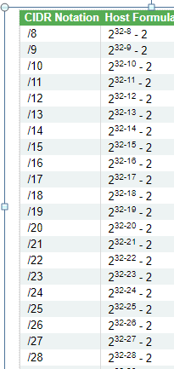
Classless Inter-Domain Routing (CIDR)

 | CIDR Notation
 |  |  | n | bits are used for the identification of network.
 | a.b.c.d / n |  | 32-n | Remaining 4 bits are used for the identification of hosts in the network.

 |  | 8 | 16 | 24 | 32
 | 10.10.0.0/24 | 10 | 10 | 0 | 0 | =32-24 | 8

